Refactoring an Application
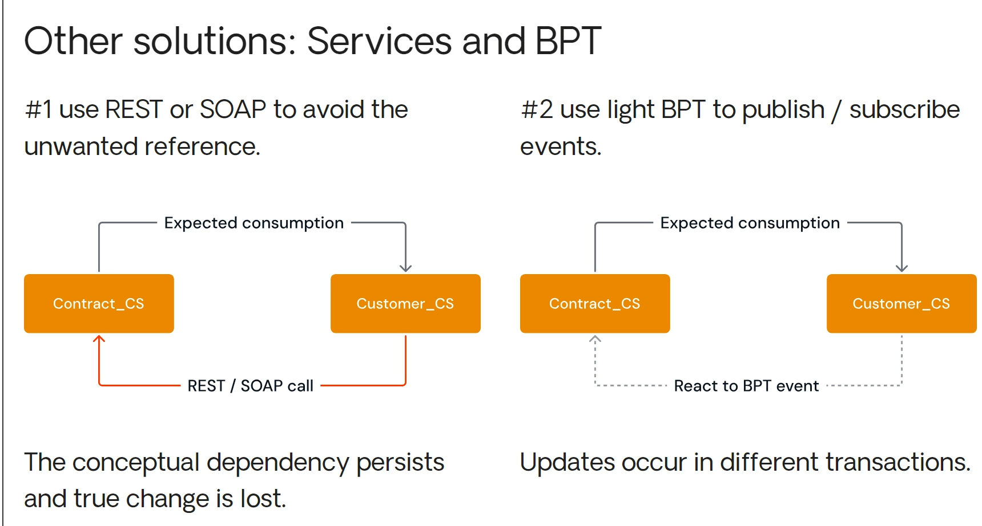
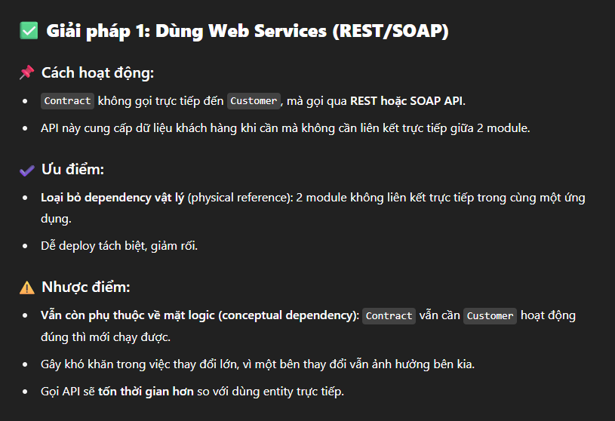
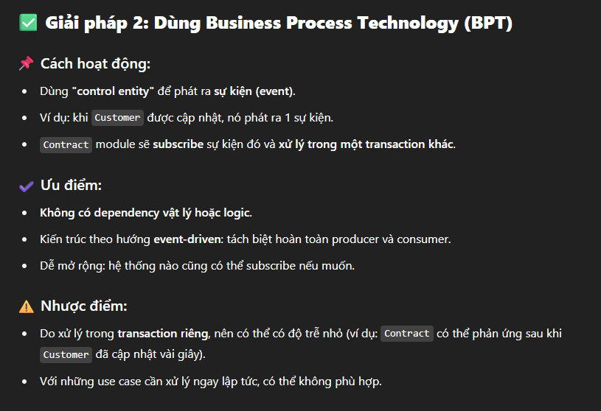
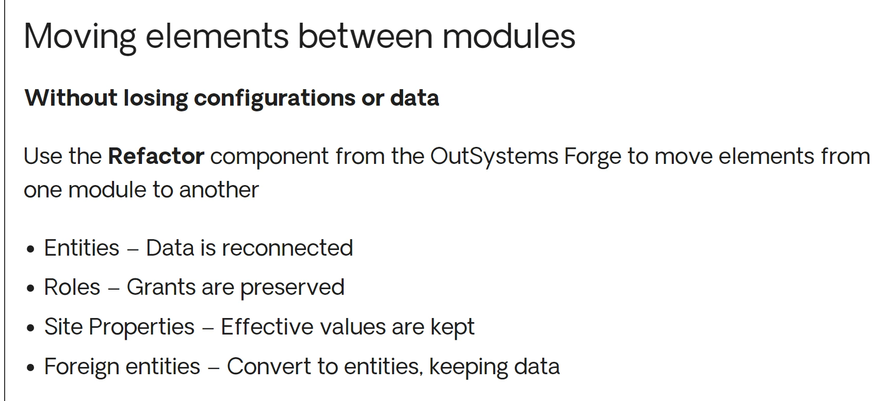
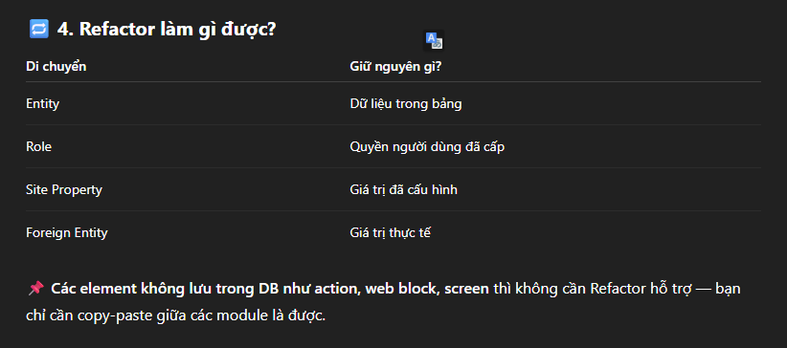
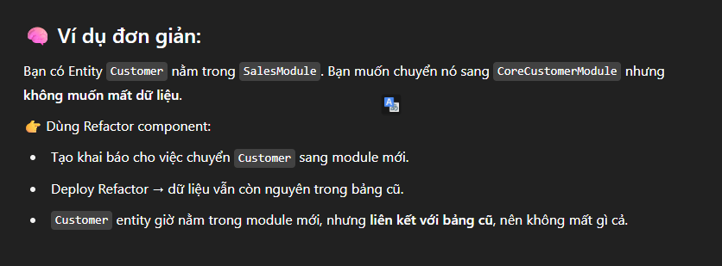
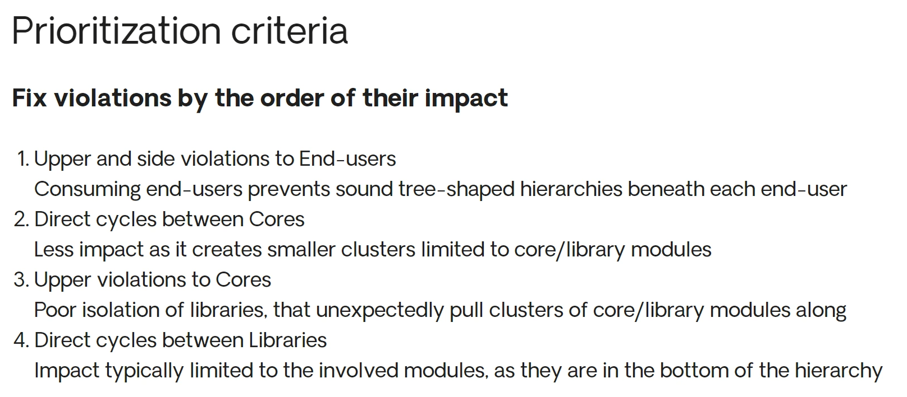

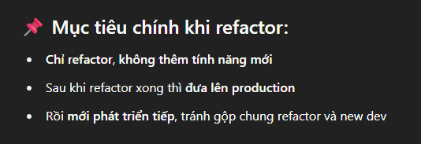
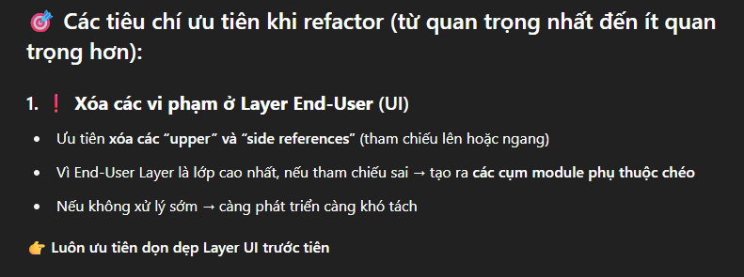



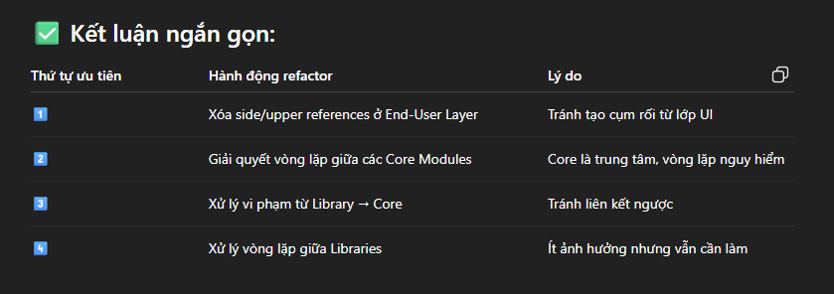

promote loose coupling
One effective approach is to encourage more loosely coupled patterns when aiming for loose coupling.

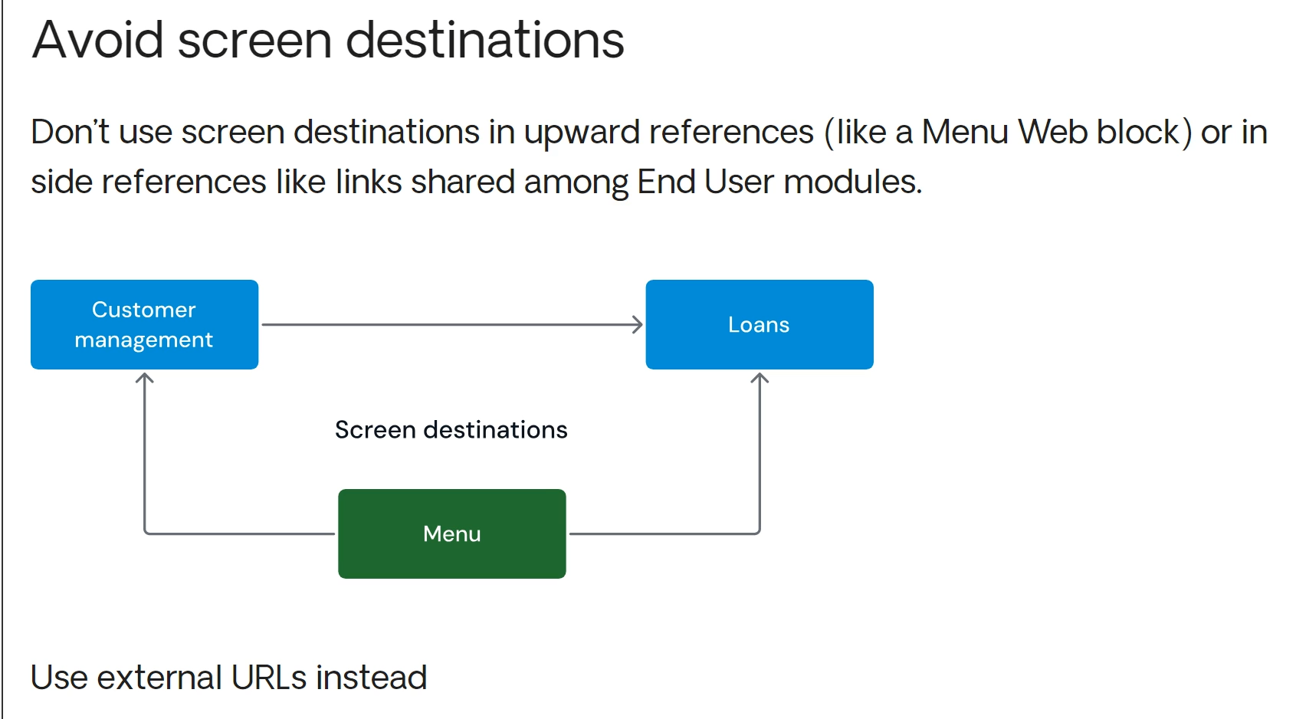

In which areas is this easiest to achieve?
To keep modules loosely coupled, avoid using screen destinations that create upward references, such as a menu web block in a library module referencing a screen in an end-user module.
Screen destinations can also introduce side references when used to control navigation between end-user modules.
In such cases, use external URLs instead to enable navigation without creating these reference violations.

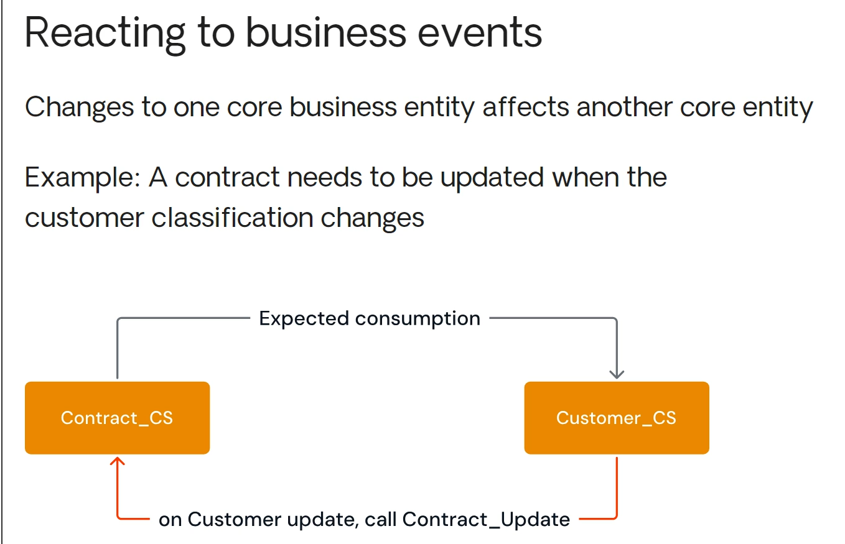

A common example is when we need to react to business events. Instead of one core business entity simply affecting another, consider a scenario where contracts are related to customers.
Naturally, the contract core service would consume the customer core service.
But what happens when certain customer attributes change, impacting its classification?
If that classification affects contract conditions, we might assume that updating a customer should trigger a contract update.
However, this creates a dependency cycle.
Conceptually, a customer shouldn’t depend on a contract, many consumers rely on the customer concept without needing contract details.
To prevent circular references, we must design these dependencies carefully.

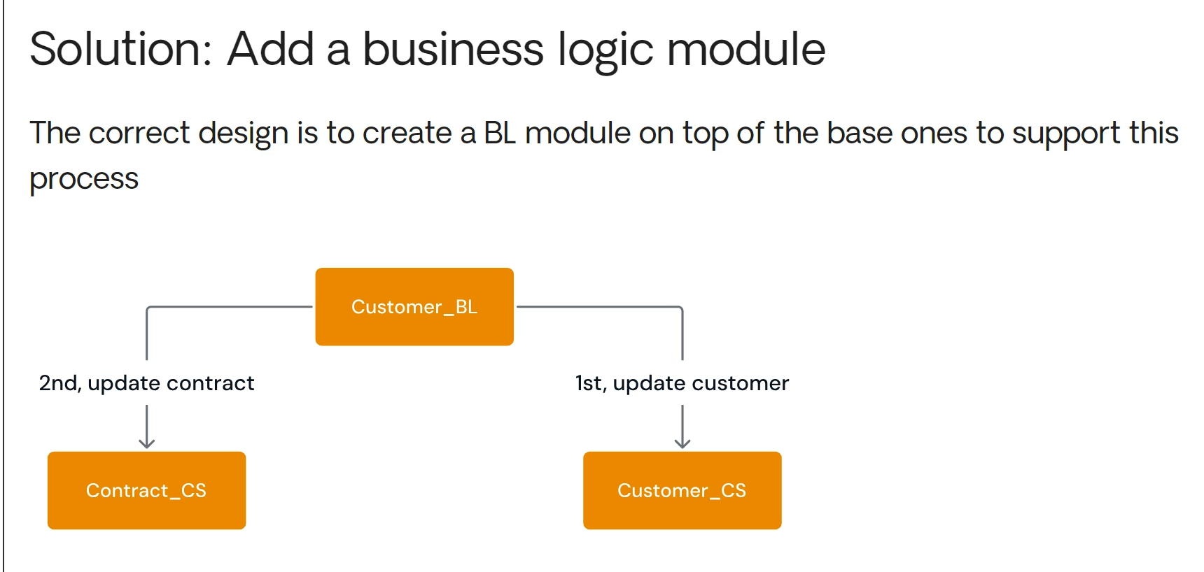

The recommended solution is to add a business logic module on top of the base core services.
By leveraging composition, we can execute the entire transaction.
First updating the customer and then, if necessary, updating the contract.
While merging these concepts can solve the problem, it results in a significantly larger module that tightly couples core elements with distinct life cycles.
In some cases, this kind of refactoring isn’t feasible, so it’s important to explore alternative solutions.

Extracting elements
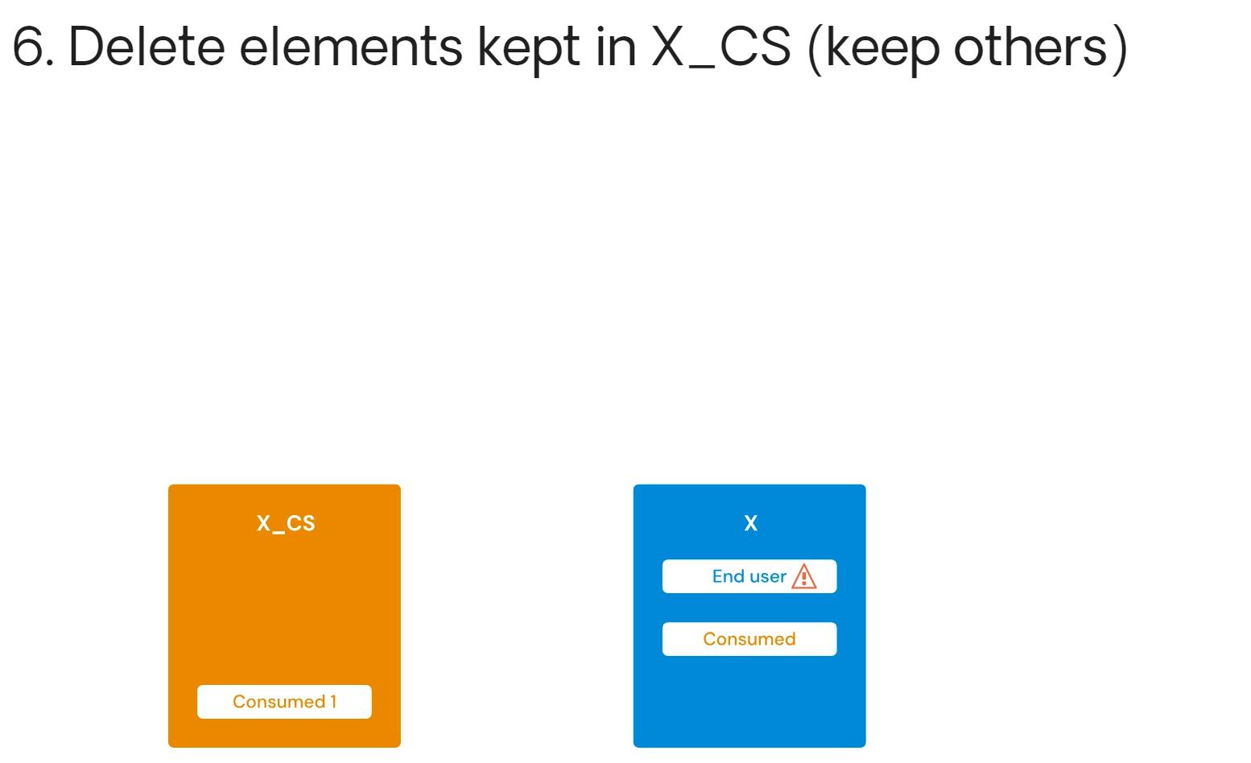
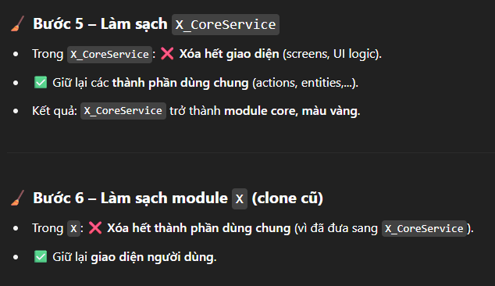
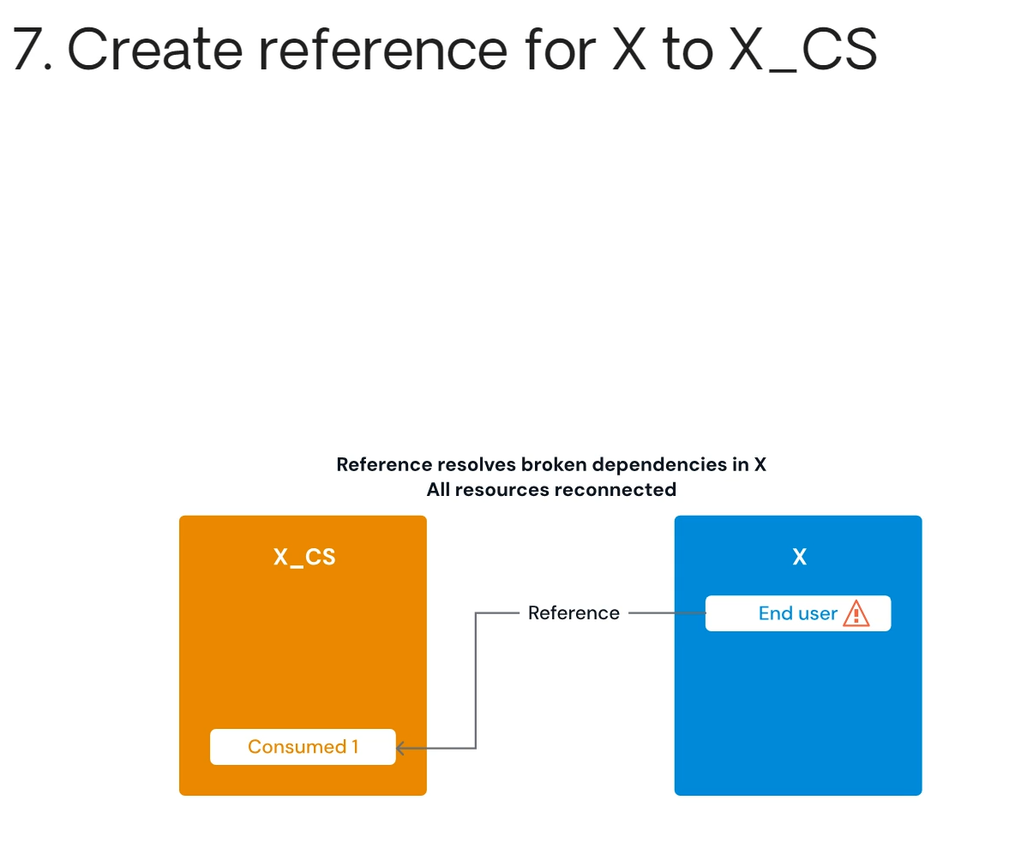
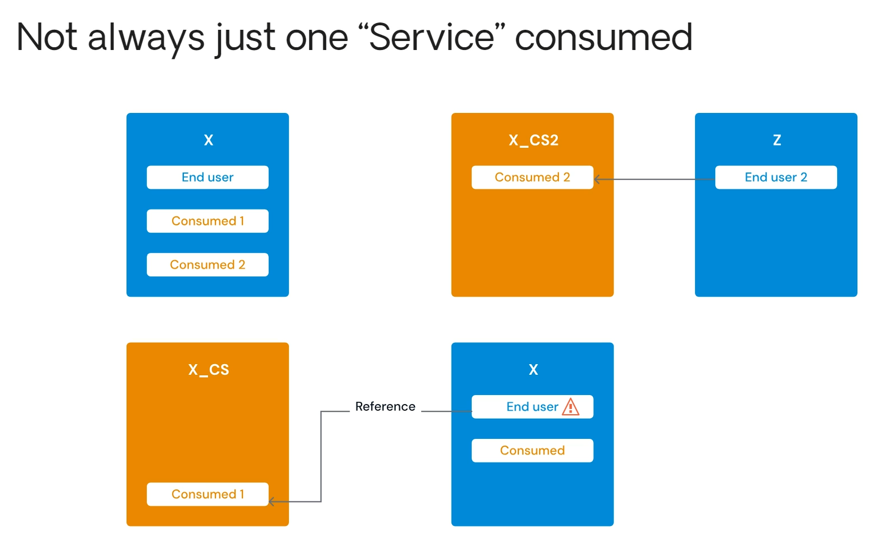
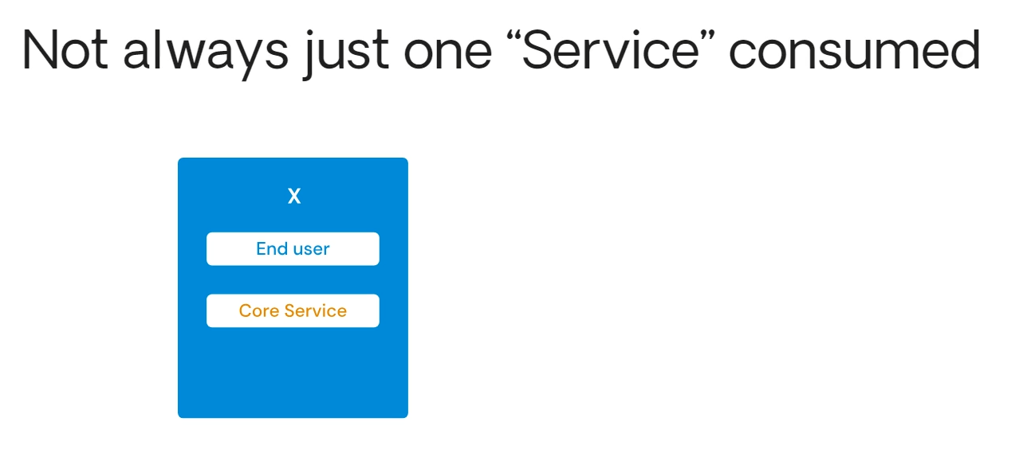
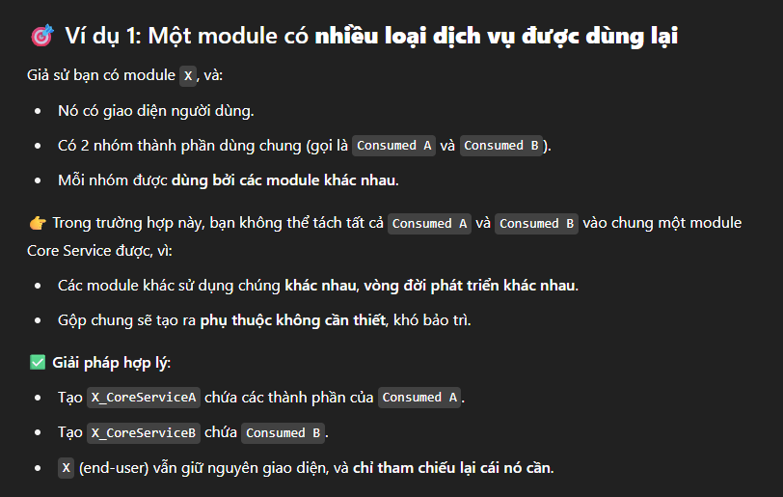
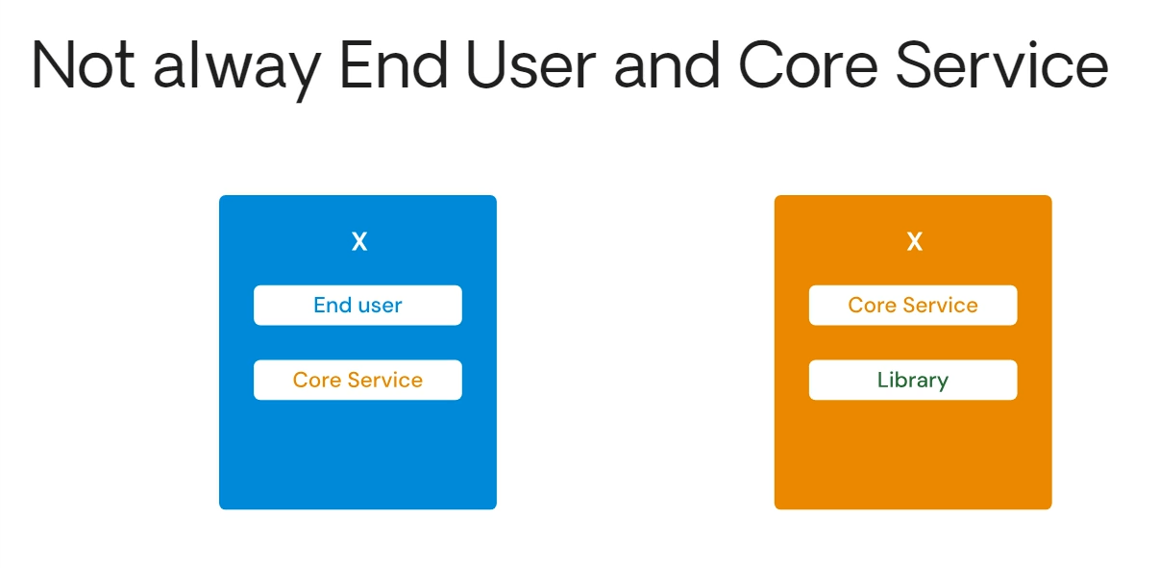
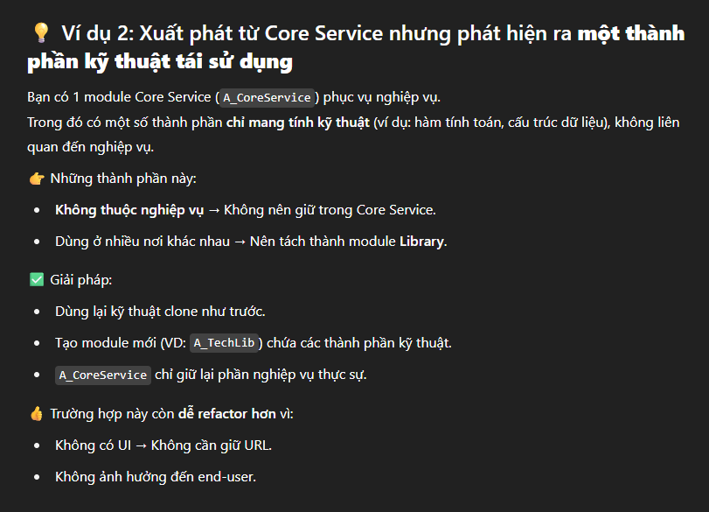
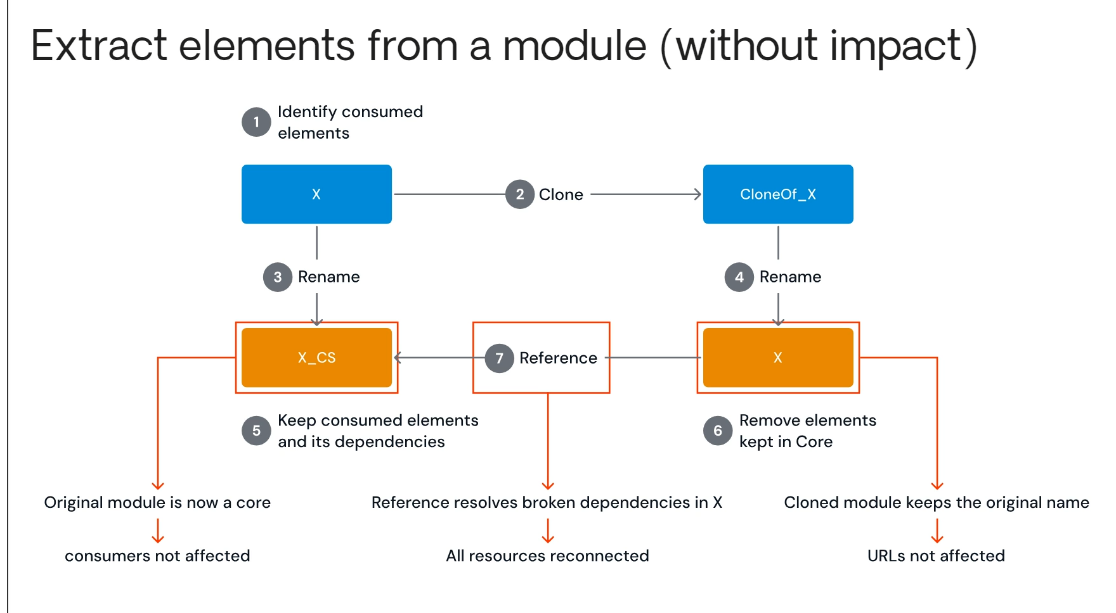

cách refactor (tách module) trong OutSystems sao cho không ảnh hưởng đến người dùng cuối hoặc các module đang dùng chung

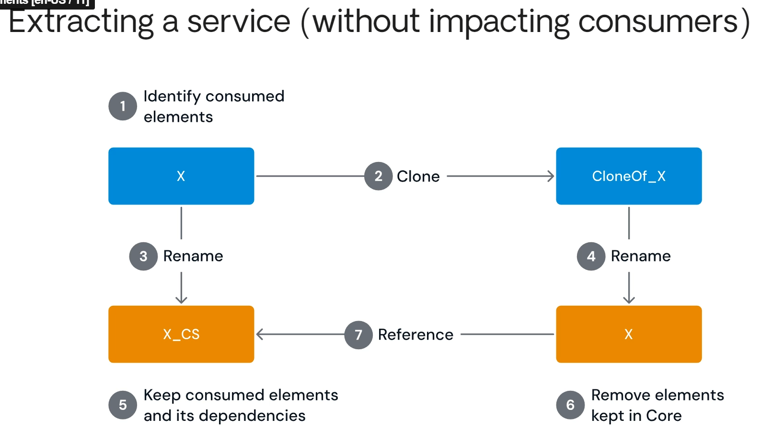

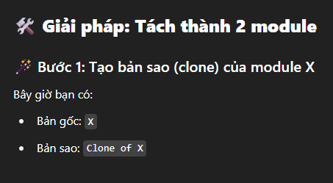

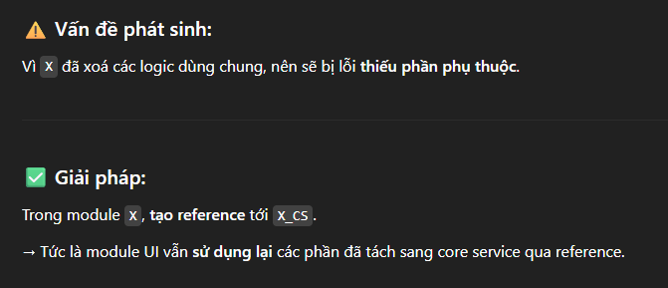

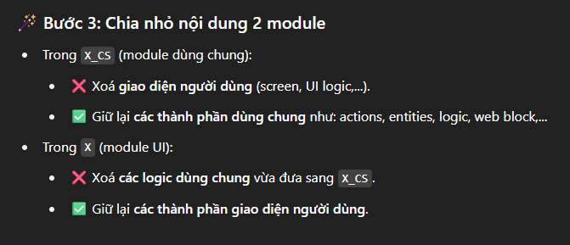

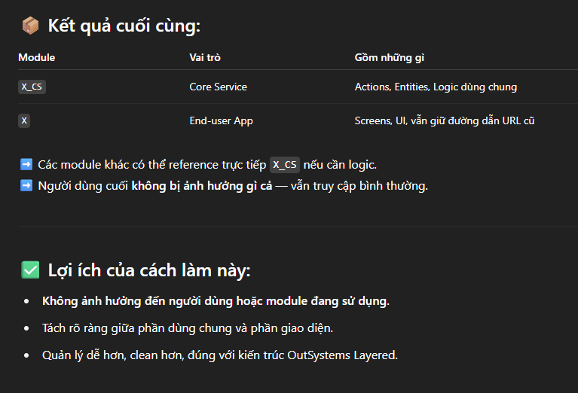

1 | identify consumed elements
2 | clone x
3 | rename x to xs

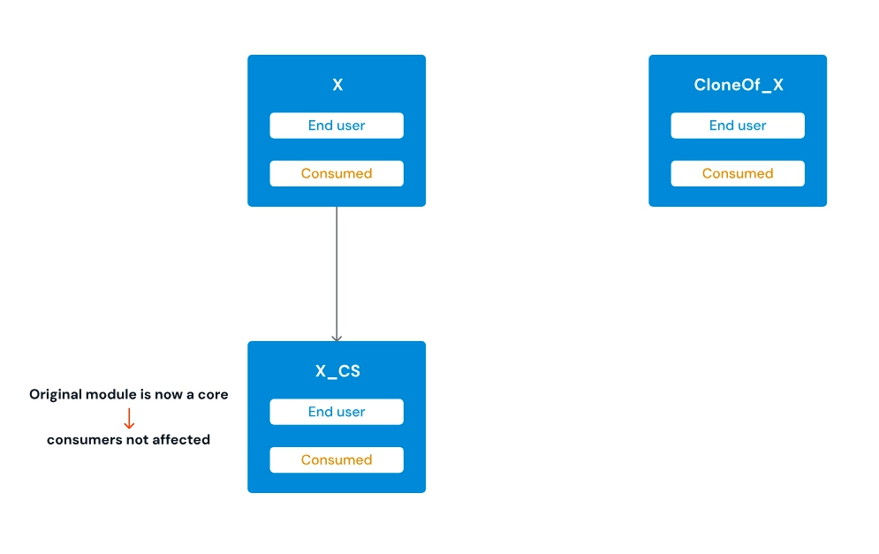
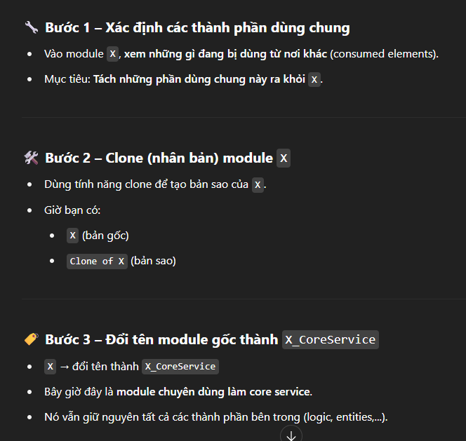

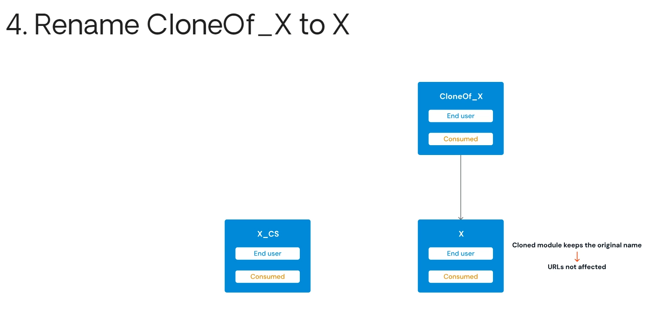

5 | keep consumed elements in X_CS (delete others)
6 | delete elements kepts in X_CS (keep others)

